IF AND NESTED IF
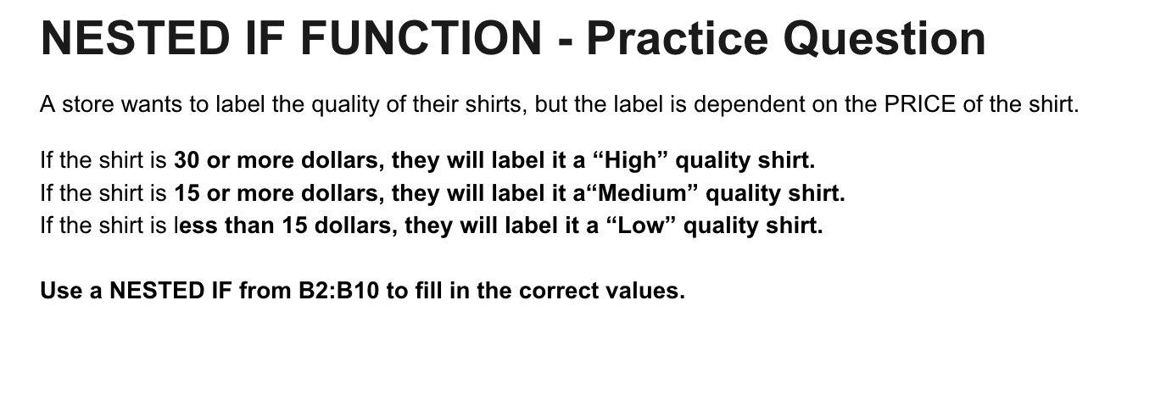
Price | Label
12.99 | Low
5.99 | Low
31.79 | High
69.99 | High
16.99 | Medium
14.5 | Low
23.99 | Medium
15.99 | Medium
10.29 | Low

